bugs
FA Bugs | Done?

Eventually get the dropdowns to respond to spatial filter as well?

Cancel button for Species dropdown panel

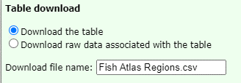

File name should be "Fish Catch for Alaska"?

layers show issue
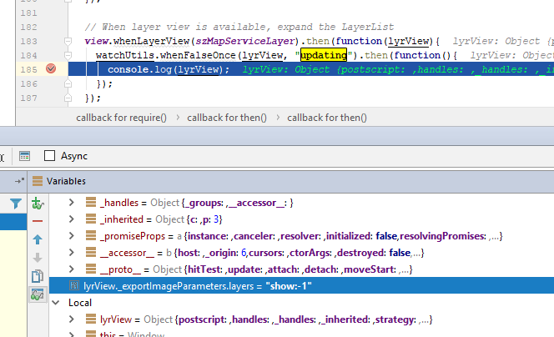
bug: | layers=show:-1 | 4.3
 | layers=show:3 | 4.5

